12 coins
Heads | Value (xi) | Observations | Prob (pi) | Product 1 | Deviation | Dev-Sq | Product 2
0 | 0 | 1 | 0.000244140625 | 0 | -0.5 | 0.25 | 6.103515625E-05
1 | 0.083333333333 | 12 | 0.0029296875 | 0.000244140625 | -0.41666666667 | 0.17361111111 | 0.00050862630208
2 | 0.16666666667 | 66 | 0.01611328125 | 0.002685546875 | -0.33333333333 | 0.11111111111 | 0.0017903645833
3 | 0.25 | 220 | 0.0537109375 | 0.013427734375 | -0.25 | 0.0625 | 0.0033569335938
4 | 0.33333333333 | 495 | 0.12084960938 | 0.040283203125 | -0.16666666667 | 0.027777777778 | 0.0033569335938
5 | 0.41666666667 | 792 | 0.193359375 | 0.08056640625 | -0.083333333333 | 0.0069444444444 | 0.0013427734375
6 | 0.5 | 924 | 0.2255859375 | 0.11279296875 | 0 | 0 | 0
7 | 0.58333333333 | 792 | 0.193359375 | 0.11279296875 | 0.083333333333 | 0.0069444444444 | 0.0013427734375
8 | 0.66666666667 | 495 | 0.12084960938 | 0.08056640625 | 0.16666666667 | 0.027777777778 | 0.0033569335937
9 | 0.75 | 220 | 0.0537109375 | 0.040283203125 | 0.25 | 0.0625 | 0.0033569335938
10 | 0.83333333333 | 66 | 0.01611328125 | 0.013427734375 | 0.33333333333 | 0.11111111111 | 0.0017903645833
11 | 0.91666666667 | 12 | 0.0029296875 | 0.002685546875 | 0.41666666667 | 0.17361111111 | 0.00050862630208
12 | 1 | 1 | 0.000244140625 | 0.000244140625 | 0.5 | 0.25 | 6.103515625E-05
 |  | 4096 | 1 | 0.5 |  |  | 0.020833333333
 |  |  |  |  |  |  | 0.1443375673
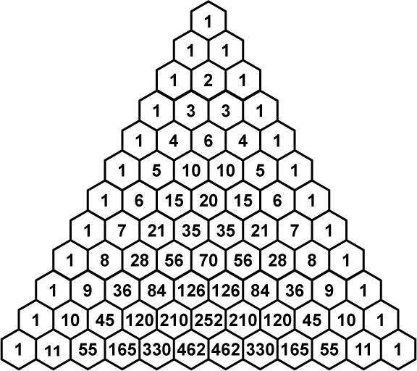
 |  |  |  |  |  |  | 1.7320508076

